Sheet1
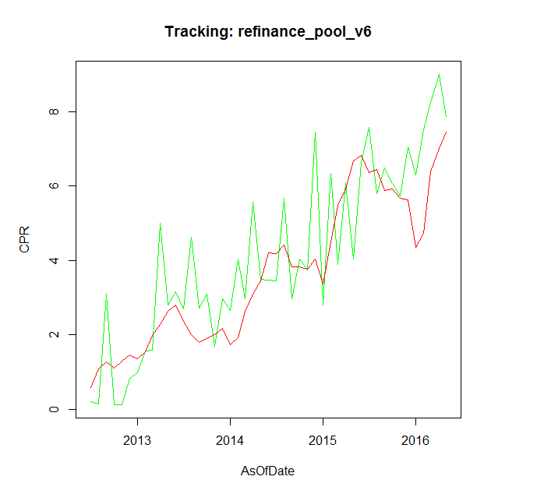
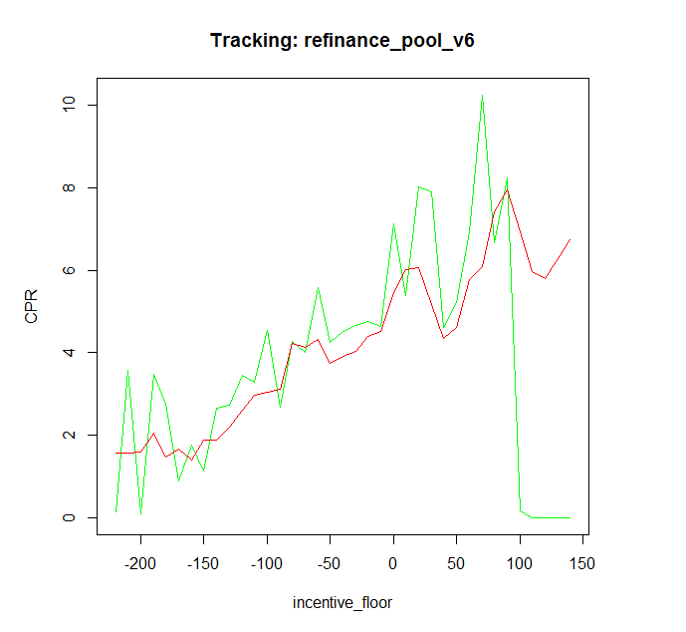

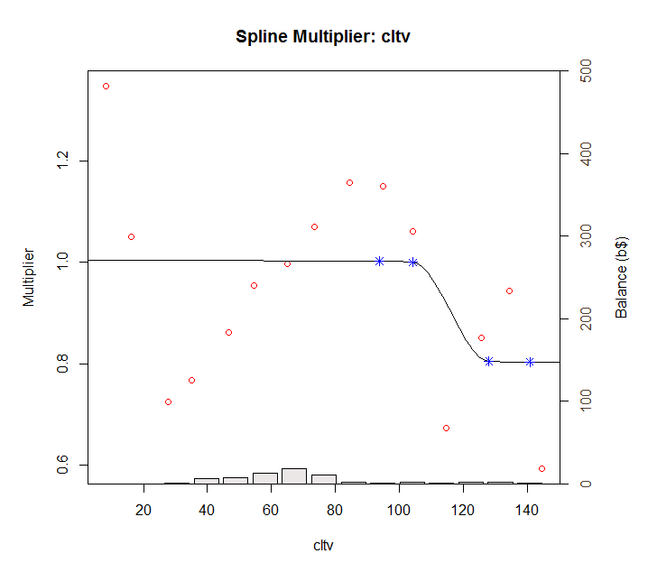
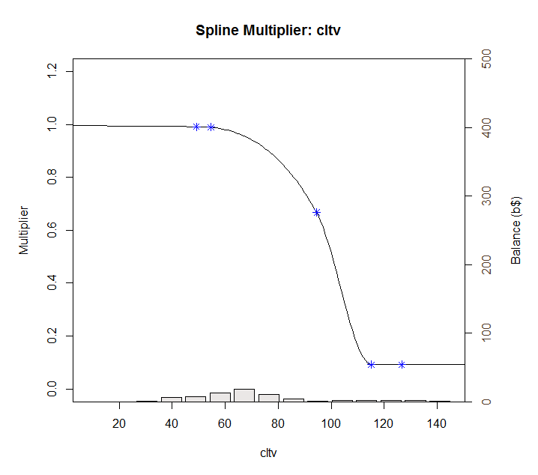
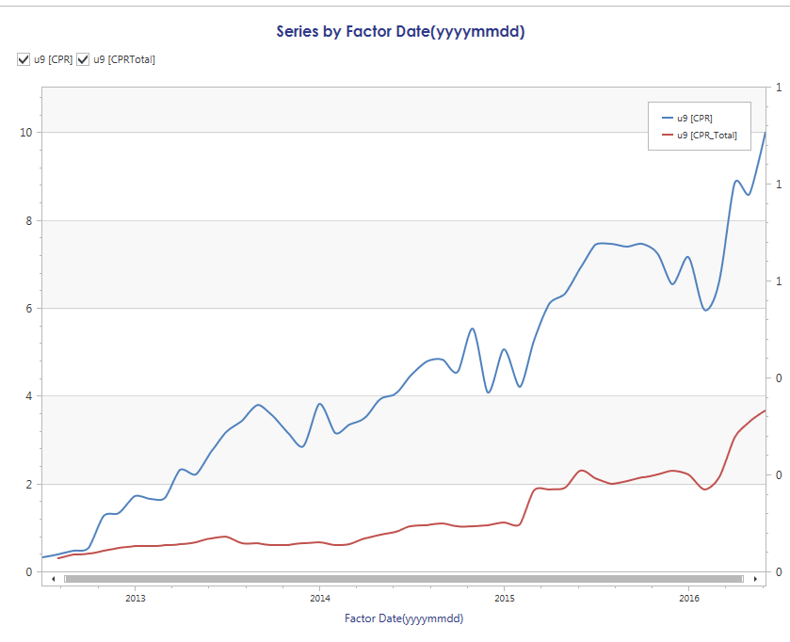

Sheet2
 | cltvKnots | cltvKnotValues |  |  | Before | After
1 | 49.17445 | 0.9918405 | 1 | 49 | 0.99184055 | 0.9918405
2 | 54.63828 | 0.9898608 | 2 | 55 | 0.98986083 | 0.9898608
3 | 94.50169 | 0.6678724 | 3 | 95 | 0.66787245 | 0.6678724
4 | 115.11752 | 0.6611937 | 4 | 115 | 0.09200842 | 0.6611937
 |  |  | 5 | 127 | 0.0918244

 | Before | After
49 | 0.99184055 | 0.9918405
55 | 0.98986083 | 0.9898608
95 | 0.66787245 | 0.6678724
115 | 0.09200842 | 0.6611937
127 | 0.0918244

